Victoria Summary
Disclaimer
This document is subject to an important disclaimer that limits or excludes AEMO's liability.
Please read the full disclaimer at
http://www.aemo.com.au/Electricity/National-Electricity-Market-NEM/Planning-and-forecasting/Generation-information

Data presented is current as at 16 March 2018

Victoria Summary

Changes since last update
Salt Creek Wind Farm : Tilt Renewables advises that Salt Creek Wind Farm (54 MW) is now a committed project.

Generation withdrawals
Withdrawn
Hazelwood: Hazelwood Power advises that Hazelwood Power Station (1600 MW) has closed operations at the end of March 2017 and is undergoing decommissioning.

Announced withdrawals (i.e. Mothballed, Seasonal Shut down etc.)
AEMO has not been advised of any announced withdrawals for this region.

Committed projects
CCGT, OCGT, Gas other, Water, Biomass, Geo-thermal, Other : None to report.
Coal: Loy Yang B (upgrade) (78 MW)
Solar: Bannerton Solar Park (88 MW), Gannawarra Solar Farm (55 MW), Swan Hill Solar Farm (15 MW), Yatpool Solar Farm (81 MW)
Wind: Crowlands Wind Farm (80 MW), Kiata Wind Farm (31.05 MW), Mt Gellibrand (132 MW), Salt Creek (54 MW), Yaloak South (28.7 MW).

Proposed projects
Please refer to information presented in the worksheet titled 'New Developments'.

Plant limitations
AEMO has not been advised of any plant limitations for this region.

Victoria existing and potential new developments by generation type (MW)
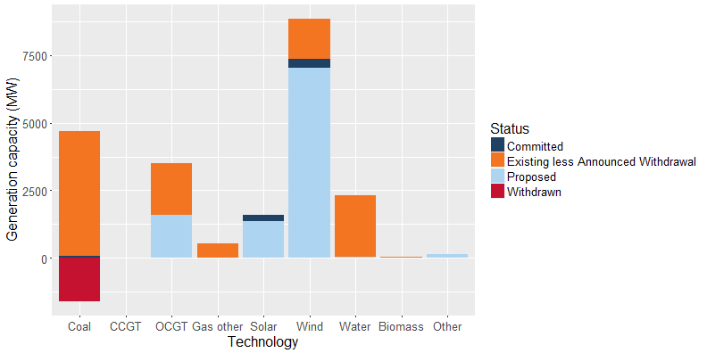

Status | Coal | CCGT | OCGT | Gas other | Solar* | Wind | Water | Biomass | Other | Total
Existing | 4,630 | 21 | 1,917 | 523 | 6 | 1,496 | 2,288 | 57 | - | 10,938
Announced Withdrawal | - | - | - | - | - | - | - | - | - | -
Existing less Announced Withdrawal | 4,630 | 21 | 1,917 | 523 | 6 | 1,496 | 2,288 | 57 | - | 10,938
Committed | 78 | - | - | - | 239 | 326 | - | - | - | 643
Proposed | - | - | 1,600 | - | 1,349 | 7,034 | 34 | - | 140 | 10,157
Withdrawn | -1,600 | - | - | - | - | - | - | - | - | -1,600
Note: Existing includes Announced Withdrawal
* Excludes rooftop PV installations

