Tasmania Summary
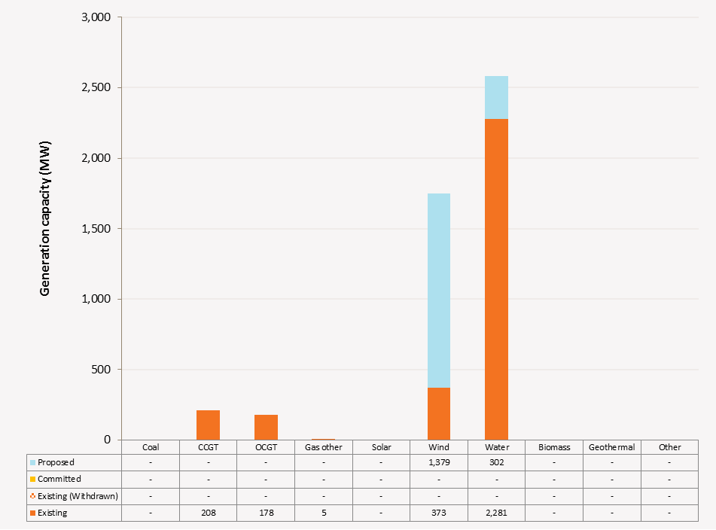
Disclaimer
This document is subject to an important disclaimer that limits or excludes AEMO's liability.
Please read the full disclaimer on the 'Disclaimer' tab of this workbook.

Tasmania Summary

Committed project developments
AEMO has not been advised of any committed projects in Tasmania within the 10-year planning outlook.

Plant retirements
AEMO has not been advised of any planned plant retirements in Tasmania within the 10-year planning outlook.

Changes since the 2014 ESOO (existing generation)
AEMO has not been advised of any changes to existing generation in Tasmania within the 10-year planning outlook.

Plant limitations
Bastyan Power Station: Hydro-Electric Corporation advises that Bastyan's available capacity will be (zero) 0 MW during summer 2020-21.
Catagunyah/Liapootah/Wayatinah Power Station: Hydro-Electric Corporation advises that Catagunyah/Liapootah/Wayatinah stations will undergo the following outages:
· Liapootah Unit 1 will be unavailable during:
- summer 2017–18
· Liapootah Unit 2 will be unavailable during:
- summer 2018–19
· Liapootah Unit 3 will be unavailable during:
- summer 2016–17
- summer 2017–18
· Wayatinah Unit 1 will be unavailable during:
- summer 2016–17
· Wayatinah Unit 3 will be unavailable during:
- summer 2017–18
· Catagunya Unit 1 will be unavailable during:
- summer 2017–18
· Catagunya Unit 2 will be unavailable during:
- summer 2018–19
Cethana Power Station: Hydro-Electric Corporation advises that Cethana’s available capacity will be (zero) 0 MW during summer 2014-15, specifically between 5/1/2015 and 21/9/2015 due to a major refurbishment project.
Devils Gate Power Station: Hydro-Electric Corporation advises that Devils Gate’s available capacity will be (zero) 0 MW during summer 2017-18.
Fisher Power Station: Hydro-Electric Corporation advises that Fisher’s available capacity will be (zero) 0 MW during summer 2014-15, specifically between 1/12/2014 and 20/7/2015 due to a major refurbishment project.
Gordon Power Station: Hydro-Electric Corporation advises that Gordon's available capacity will reduced to 396 MW during summer and winter due to lower lake levels.
John Butters Station: Hydro-Electric Corporation advises that John Butters' available capacity will be (zero) 0 MW during summer 2021-22.
Lake Echo Power Station: Hydro-Electric Corporation advises that Lake Echo's available capacity will be (zero) 0 MW during winter 2019.
Lemonthyme/Wilmot Power Station: Hydro-Electric Corporation advises that Lemonthyme/Wilmot's available capacity will be 54 MW during summer 2018-19 and 32 MW during summer 2019-20.
Mackintosh Power Station: Hydro-Electric Corporation advises that Mackintosh's available capacity will be (zero) 0 MW during summer 2022-23.
Meadowbank Power Station: Hydro-Electric Corporation advises that Meadowbank's available capacity will be (zero) 0 MW during summer 2014-15, specifically between 15/9/2014 and 28/8/2015 due to a major refurbishment project.
Reece Power Station: Hydro-Electric Corporation advises that Reece's available capacity will be 116 MW during summer 2014-15 due to a five week outage of units 1 and 2 each.
Tamar Valley Combined Cycle: AETV advises that Tamar Valley Combined Cycle's available capacity will be (zero) 0 MW during winter 2015 and winter 2016 due to winter layover (dry storage) specifically between 1/1/2015 and 19/4/2015 and then 24/4/2015 until 18/4/2016 and then again between 22/4/2016 and 31/12/2016.31/12/2015 and then again between 1/4/2016 and 31/12/2016.
Tarraleah Power Station: Hydro-Electric Corporation advises that Tarraleah’s available capacity will be:
• 45 MW during summer 2015-16 due to outages of Units 4,5 and 6, specifically between 7/9/2015 and 4/12/2015 due to a major refurbishment project.
• 45 MW during summer 2015-16 due to outages of Units 1,2 and 3, specifically between 1/2/2016 and 30/4/2016 due to a major refurbishment project.
Trevallyn Power Station: Hydro-Electric Corporation advises that Trevallyn’s available capacity will be:
• 82 MW during summer 2018–19 due to outages of Unit 1.
• 82 MW during summer 2020–21 due to outages of Unit 2.
Tungatinah Power Station: Hydro-Electric Corporation advises that Tungatinah’s available capacity will be:
• 104.4 MW during summer 2019–20 due to outages of Unit 3.
• 78.3 MW during summer 2014-15 due to outages of Unit 4 and Unit 5
• 104.4 MW during summer 2015-16 due to outages of Unit 4, specifically between 30/11/2015-17/6/2016 due to a major refurbishment project.
Tribute: Hydro-Electric Corporation advises that Tribute's available capacity will be (zero) 0 MW during summer 2019-20.
Cluny: Hydro-Electric Corporation advises that Cluny's available capacity will be (zero) 0 MW during summer 2015-16, specifically between 7/9/2015 and 5/6/2016 due to a major refurbishment project.
Tamar Valley OCGT (Bell Bay Three & TVPP104): Hydro-Electric Corporation advises that TVPP104 available capacity will be (zero) 0 MW during summer 2015-16, specifically between 4/9/2015 and 4/3/2016 due to a major outage.

Tasmania existing and potential new developments by generation type (MW) data
Status / Type | Coal | CCGT | OCGT | Gas other | Solar | Wind | Water | Biomass | Geo-thermal | Other
Existing | 0 | 208 | 178 | 5 | 0 | 373 | 2,281 | 0 | 0 | 0
Committed | 0 | 0 | 0 | 0 | 0 | 0 | 0 | 0 | 0 | 0
Publicly announced | 0 | 0 | 0 | 0 | 0 | 1,379 | 302 | 0 | 0 | 0
Withdrawn | 0 | 0 | 0 | 0 | 0 | 0 | 0 | 0 | 0 | 0

Tasmania existing and potential new developments by generation type (MW)

