Victoria Summary
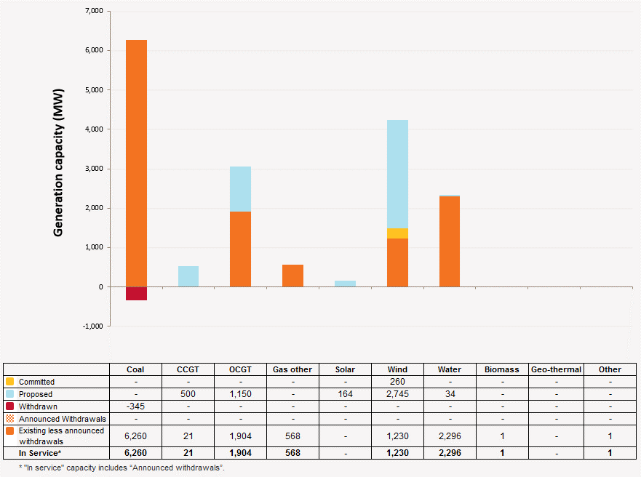
Disclaimer
This document is subject to an important disclaimer that limits or excludes AEMO's liability.
Please read the full disclaimer at http://www.aemo.com.au/Electricity/Planning/Related-Information/Generation-Information

Victoria Summary

Changes since last update
Ararat Wind Farm: Ararat Wind Farm Pty Ltd advises that Ararat wind farm (240 MW) is to be in full commercial operation expected in May 2017.
Coonooer Bridge Wind Farm: Windlab Systems Pty Ltd advises that Coonooer Bridge wind farm (19.8 MW) is to be in full commercial operation in March 2016.
Anglesea Power Station: Anglesea Power is now deregistered.

Generation Withdrawals
Withdrawn
None to report.

Announced Withdrawals (i.e. Mothballed, Seasonal Shut down etc.)
AEMO has not been advised of any planned plant withdrawals in Victoria within the 10-year planning outlook.

Committed projects since last update
Coal, CCGT, OCGT, Gas other, Water, Biomass, Geo-thermal, Other : None to report.
Wind: Ararat Wind Farm Pty Ltd advises that Ararat wind farm (240 MW) is to be in full commercial operation expected in May 2017.
Wind: Windlab Systems Pty Ltd advises that Coonooer Bridge wind farm (19.8 MW) is now a committed project. Full commercial operation is expected in March 2016.

Proposed Projects
Please refer to information presented in the worksheet titled 'New Developments'.

Plant Limitations
AEMO has not been advised of any plant limitations for this region

Victoria existing and potential new developments by generation type (MW)

