Tasmania Summary
Disclaimer
This document is subject to an important disclaimer that limits or excludes AEMO's liability.
Please read the full disclaimer at
http://www.aemo.com.au/Electricity/National-Electricity-Market-NEM/Planning-and-forecasting/Generation-information

Data presented is current as at 16 March 2018

Tasmania Summary

Changes since last update
Granville Harbour Wind Farm: Granville Harbour Wind Farm (111.6 MW) is now reported as committed as Palisade Investment Partners Pty Ltd advises construction has commenced.

Generation withdrawals
Withdrawn
None to report.

Announced withdrawals (i.e. Mothballed, Seasonal Shut down etc.)
Tamar Valley CCGT: Hydro Tasmania advises that the Tamar Valley CCGT (208 MW) will be withdrawn after May 2017, but is available for operation with less than 3 months' notice.

Committed projects
Coal, CCGT, OCGT, Gas other, Water, Solar, Biomass, Geo-thermal, Other : None to report.
Wind: Granville Harbour Wind Farm (111.6 MW)

Proposed projects
Please refer to information presented in the worksheet titled 'New Developments'.

Plant limitations
Bastyan Power Station: Hydro-Electric Corporation advises that Bastyan's available capacity will be (zero) 0 MW during summer 2021-22.
Catagunyah/Liapootah/Wayatinah Power Station: Hydro-Electric Corporation advises that Catagunyah/Liapootah/Wayatinah Power Stations will undergo the following outages:
· Liapootah Unit 2 will be unavailable during:
- summer 2017–18
· Liapootah Unit 3 will be unavailable during:
- summer 2018–19
· Wayatinah Unit 2 will be unavailable during:
- summer 2017–18
· Wayatinah Unit 3 will be unavailable during:
- summer 2018–19
· Catagunya Unit 1 will be unavailable during:
- summer 2018–19
· Catagunya Unit 2 will be unavailable during:
- summer 2017–18
Devils Gate Power Station: Hydro-Electric Corporation advises that Devils Gate’s available capacity will be (zero) 0 MW during summer 2017-18 and winter 2018.
Gordon Power Station: Hydro-Electric Corporation advises that Gordon's available capacity will reduced to 371 MW (-25) MW during summer and winter due to lower storage levels. Also, the station will undergo the following outages:
· Gordon Unit 1 will be unavailable during:
- summer 2022–23
· Gordon Unit 2 will be unavailable during:
- summer 2021–22
· Gordon Unit 3 will be unavailable during:
- summer 2023–24
John Butters Station: Hydro-Electric Corporation advises that John Butters' available capacity will be (zero) 0 MW during summer 2024-25 and winter 2025.
Lake Echo Power Station: Hydro-Electric Corporation advises that Lake Echo's available capacity will be (zero) 0 MW during winter 2018, 2019, 2020 and 2024.
Lemonthyme/Wilmot Power Station: Hydro-Electric Corporation advises that Lemonthyme/Wilmot's available capacity will be 54 MW during summer 2017-18 and summer 2020-21, and 32 MW during summer 2019-20.
Mackintosh Power Station: Hydro-Electric Corporation advises that Mackintosh's available capacity will be (zero) 0 MW during summer 2022-23.
Reece Power Station: Hydro-Electric Corporation advises that Reece's available capacity will be 116 MW during summer 2023-24 and 2025-26 due to an outage.
Tarraleah Power Station: Hydro-Electric Corporation advises that Tarraleah’s available capacity will be:
• 75 MW from winter 2022 to summer 2024-25 due to outages of Units 1, 2 and 3.
Trevallyn Power Station: Hydro-Electric Corporation advises that Trevallyn’s available capacity will be:
• 81.9 MW during summer 2019–20 due to outages of Unit 1.
• 0 MW during summer 2020–21 due to outages
Tungatinah Power Station: Hydro-Electric Corporation advises that Tungatinah’s available capacity will be:
• 104.4 MW during summer 2019-20 due to outages
• 104.4 MW during summer 2021–22 due to outages
Tribute: Hydro-Electric Corporation advises that Tribute's available capacity will be (zero) 0 MW during summer 2025-26.

Tasmania existing and potential new developments by generation type (MW)
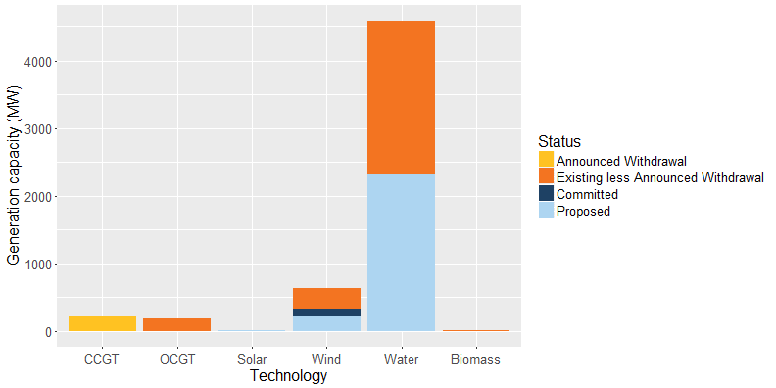

Status | Coal | CCGT | OCGT | Solar* | Wind | Water | Biomass | Other | Total
Existing | - | 208 | 178 | 0 | 308 | 2,281 | 5 | - | 2,980
Announced Withdrawal | - | 208 | - | - | - | - | - | - | 208
Existing less Announced Withdrawal | - | - | 178 | 0 | 308 | 2,281 | 5 | - | 2,772
Committed | - | - | - | - | 112 | - | - | - | 112
Proposed | - | - | - | 18 | 217 | 2,310 | - | - | 2,545
Withdrawn | - | - | - | - | - | - | - | - | -
Note: Existing includes Announced Withdrawal
* Excludes rooftop PV installations.

