Victoria Summary
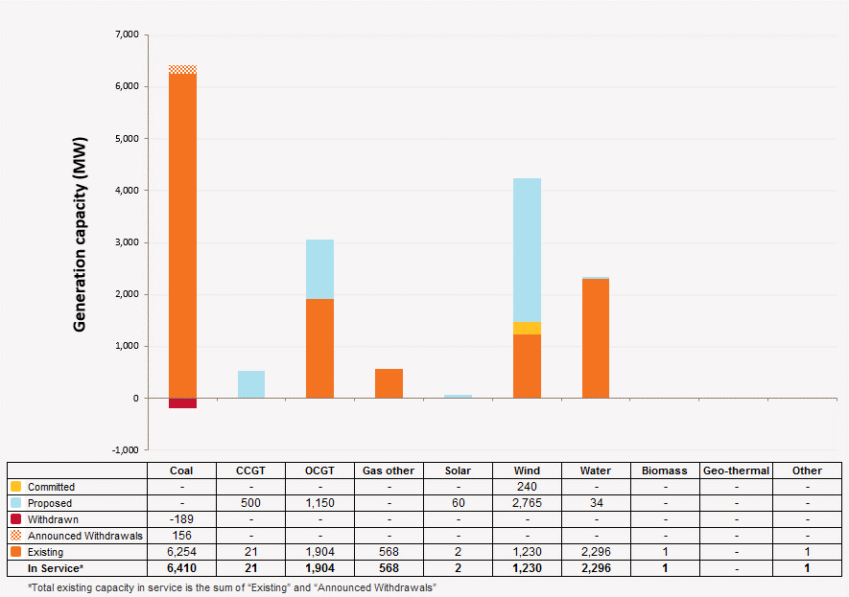
Disclaimer
This document is subject to an important disclaimer that limits or excludes AEMO's liability.
Please read the full disclaimer on the 'Disclaimer' tab of this workbook.

Victoria Summary

Committed project developments
Ararat Wind Farm: Ararat Wind Farm Pty Ltd advises that Ararat wind farm (240 MW) construction has started and full commercial operation expected in May 2017.

Plant retirements
Anglesea Power Station: Alcoa of Australia Limited advises Anglesea Power Station will retire from service from 31 August 2015 and to be decommissioned.

Changes since the 2014 ESOO (existing generation)
Macarthur: AGL Energy advises Macarthur Power Station has revised its available capacity to 336 MW (-105 MW) in summer to reflect the actual behaviour of the wind generation assets during high temperature days.
Morwell/Energy Brix: Energy Brix Australia Corporation Pty Ltd advises Morwell/Energy Brix Power Station has temporarily closed its operations from August 2014.
Mt Mercer Wind Farm: Mt Mercer Wind Farm Pty Ltd advises that Mt Mercer wind farm (131.2 MW) project is completed and in full commercial operation since mid 2014.
Portland Stage 4 Cape Nelson North and Cape Sir William Grant: Pacific Hydro Portland Wind Farm Pty Ltd advises that Portland Stage 4 (47.15 MW) project is completed and in full commercial operation since end of Feb 2015.
Yallourn W Power Station: EnergyAustralia Holdings Pty Ltd advises Yallourn W Power Station has revised its available capacity to 1,516 MW (+12 MW) in winter due to turbine upgrades.
Loy Yang A: AGL Energy advises Loy Yang A Power Station has revised its available capacity to 2070 MW (-30 MW) in summer due to change in performance re-evaluation. Also, revised its available capacity to 2210 MW (-60 MW) in winter due to the difficulty of producing maximum daily capacity for extended periods.
Loy Yang B: AGL Energy advises Loy Yang B Power Station has revised its available capacity to 980 MW (+15 MW) in summer due to increase in condenser vacuum limit. Also, revised its available capacity to 1070 MW (+20 MW) in winter due to increase in condenser vacuum limit.

Plant limitations
AEMO has not been advised of any plant limitations for this region.

Victoria existing and potential new developments by generation type (MW) data
Status / Type | Coal | CCGT | OCGT | Gas other | Solar | Wind | Water | Biomass | Geo-thermal | Other
Existing | 6,599 | 21 | 1,904 | 568 | 1.5 | 1,230 | 2,296 | 0.8 | - | 0.8
Committed | - | - | - | - | - | 240 | - | - | - | -
Publicly announced | - | 500 | 1,150 | - | 60 | 2,765 | 34 | - | - | -
Withdrawn | 189 | - | - | - | - | - | - | - | - | -
Announced Withdrawals | 156 | - | - | - | - | - | - | - | - | -
Existing capacity includes Withdrawn and Announced Withdrawals

Victoria existing and potential new developments by generation type (MW)

